SUMMARY
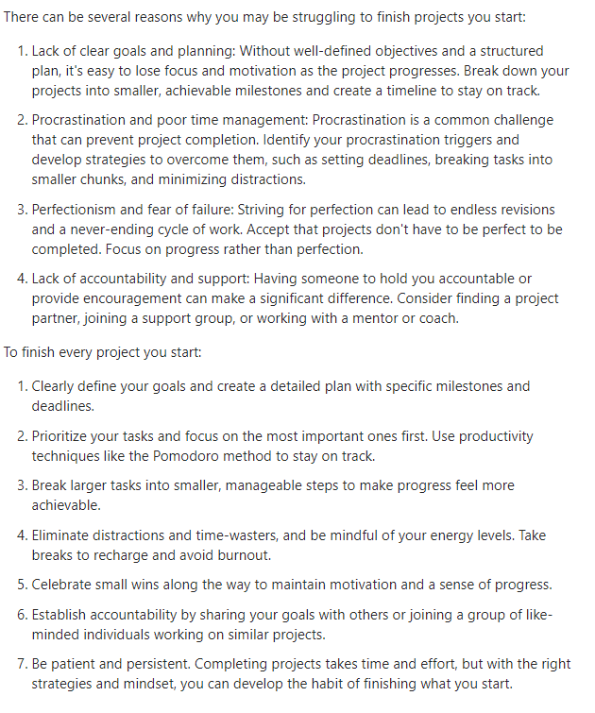
PROGRESS VIEWER |  |  | 2024

Habits |  |  |  | Out of Rat Race Plan | Status | Passive Incomes | Status
Mindset (Daily) | 65% | 65% |  | Freelance | on track | Vendo Machine | under studies
Exercise(August) | 10% | 10% |  | Online Business | not yet | Online Banking | under studies
Reading (per Book) | 100% | 100% | Finished 10 books | Assymetrical Bet | not yet | Outsourcing | under studies
August | 9.68% | 10% |  | Business/Selling | not yet | Crowd Funding | under studies
Client (June) | 9.68% | 10% |  | Youtube Content | not yet | Online Memebership Sites | under studies
 |  |  |  | Passive Income | not yet | Android apps | under studies
Skills
HTML | 98% | 98%
CSS | 0.98 | 98% |  |  |  |  | In the context of a meaningful life, the yin yang can be seen as a symbol of
Javascript | 0.75 | 75% |  |  |  |  | balance and harmony. It suggests that a meaningful life involves embracing and
Yelp Camp | 35% | 35% |  | Savings for --> | Amount |  | integrating opposing forces, such as joy and sorrow, success and failure, activity
Node Js | 90% | 90% |  | Own New House | ₱0.00 |  | and rest. It encourages individuals to seek harmony and equilibrium in their lives,
Figma | 50% | 50% |  | Insurances of children | ₱0.00 |  | recognizing that both positive and negative experiences are essential for growth
Monggo DB | 65% | 65% |  | Vehicle | ₱0.00 |  | and wholeness. By acknowledging and balancing these dualities, individuals can
Wordpress | 20% | 20% |  | Equipment for robotics | ₱0.00 |  | strive for a more meaningful and fulfilling existence. -Taoism Yin Yhang
React JS |  | 0% |  | Workshop | ₱0.00
Express JS | 75% | 75% |  | Passive Income | ₱0.00 |  | Bamboo can barely be seen for the first five years as it builds
 |  |  |  | 2nd Savings | ₱0.00 |  | extensive root systems underground before exploding ninety
Freelance |  |  |  |  |  |  | feet into the air within six weeks.
Web Dev Cert. | 100.00% | 100% |  | Income from side hustle | Pesos
Practice | 92.13% | 92% |  | web developer | ₱0.00 |  | SIX LAWS OF MATURITY:
Portfolio | 0.5 | 50% |  | designing | ₱0.00 |  | 1. Stop Telling People Everything
Client |  | 0% |  | video | ₱0.00 |  | Most people don't care, and some secretly want you to fail.
 |  |  |  | business | ₱0.00 |  | 2. Choose Your Friends Wisely
Income |  |  |  | applications | ₱0.00 |  | The fastest way to become better is to surround yourself with better people.
Work | 50.00% | 50% |  |  |  |  | 3. Expect Nothing, Appreciate Everything
Web Dev |  | 0% |  |  |  |  | Be grateful for the little things in your life to find inner peace.
Freelance |  | 0% |  |  |  |  | 4. Do Your Best And Trust The Process
Selling |  | 0% |  |  |  |  | The harder you work, the luckier you will get.
Online Selling |  | 0% |  |  |  |  | 5. Control Yourself, Not Others
Video Content |  | 0% |  |  |  |  | Controlling others is strength. Controlling yourself is true power.
Applications |  | 0% |  |  |  |  | 6. Learn To React Less
 |  |  |  |  |  |  | When you control your reaction, nobody can manipulate you.

 |  |  |  |  |  |  | Walk slowly but Never backwards. Quantity over quality.
 |  |  |  |  |  |  | Action over planning.

 |  |  |  |  |  |  | “When nothing seems to help, I go and look at a stonecutter hammering away at his rock,
 |  |  |  |  |  |  | perhaps a hundred times without as much as a crack showing in it. Yet at the hundred and
 |  |  |  |  |  |  | first blow it will split in two, and I know it was not that last blow that did it—but all that
 |  |  |  |  |  |  | had gone before.” Mastery required patience. -San Antonio SPURS Jabos Riis

